Worksheet new
WORKSHEET NO: | 1333 04 | bugatti | DENIM PRE FS17 | FASTENER |  |  | NL | S | I | H | Eng | RO | F |  |  |  |  | CH | RK
SUPP: | 201 | DATE | 2016-04-25 |  | OPEN | VELCRO | 0.0 | 0.0 | 0.0 | 0.0 | 0.0 | 0.0 | 0.0 |  |  |  |  | 0.5 | 0.5
GROUP | NICO | DELIVERY |  |  | SNAP | ZIPPER | PD | RB | MI | KR | RD | MH | ML | MZ | SI | PM | LA
STYLE NO: | 1333 | DELIVERY TO: | Fix in Pirmasens |  | BUCKLE |  | 0.5 | 0.5 | 0.5 | 0.5 | 0.5 | 0.5 | 0.5 | 0.5 | 1.0 | 0.5 | 1.5
COMBINATION : | Combi.04 | ARTICLE | K4003-6N6 400 | * | LACES |  | KEY: |  | x = Keyartikel |  |  | 1.0 |  |  |  | SI 1 Pair to AGRA/BALORE
LAST/ SIZE | PH8318 42 | CODE |  |  | SLIP ON |  | Total: |  | 8.0 |  |  | 7.0 |  |  |  | in PS latest 17.05.16
EAS from OLAP: | 13 HERREN SCHNURER | ORDER NO: |  |  | SLIP ON BOOT
UPPER | Material |  | COLOR | SUPPLIER |  |  | Remark
1 | SYNTHETIC PUU ZL10434 |  | BLUE 33 | ZHEN LONG
2 | SYNTHETIC PU ZL10221 |  | NAVY 38 | ZHEN LONG
3 | TEXTILE DL2121A |  | GREY 32 | DONG LI |  |  | PRE-COLLECTION
4 | SYNTHETIC PU HA1602 |  | WHITE 13 | HAO YU |  |  | DIRTY FINISH
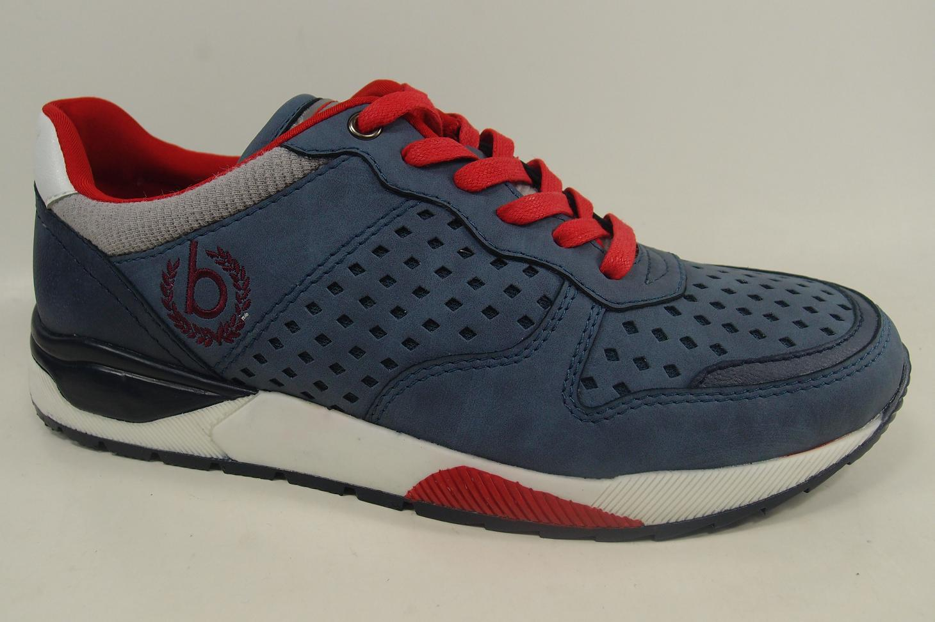
3M SILVER /RED PRINTED
GUN METAL EYELET
LINING material | LYCRA 462 | colour | RED
NYLON BLUE 57 DL4203B DONG LI
Supplier | ZHONG XIN | Composition | TEXTILE
BORDER material |  | colour
Supplier
4
HOLES MUST BE ROUND 1.5 mm (NO SQUARE)
LINING warm (yes/no) | NO | EVA CUP (yes/no) | NAVY

1
3
1
INSOCK material | LYCRA 462 | colour | RED
Supplier | ZHONG XIN | Composition | TEXTILE
LABEL INSOCK | NEW LOG 006 | colour | NAVY/WHITE
2
1
INSOCK warm (yes/no) | NO | removable (yes/no) | NO
2
1
B&LAUREL EMBROIDERY RED Z0012
OUTSOLE /NAME | NICO | OUTSOLE /colour | WHITE WELT/NAVY PAINTED SPOIILER/NAVY BOTTOM
Material | PHYLON | Supplier | XING CHANG YI
INSOLE | FLEXI | Supplier | 201

SIZE HOLE SMALLER
MESH BACKGROUND NYLON BLUE 57 DL4203B DONG LI
SIDE LOGO | B&LAUREL | HEEL HEIGHT
LACES /ELASTIC | 6mm flat nylon | colour | BLUE
EYELETS |  | colour
NO PAINT
STITCHING | TKT 20/3 Z0041 BLUE | HAND STITCH.
DECO STITCHING | TKT 10/3 Z0041 BLUE | EMBROIDERY

FINISH | DIRTY FINISH | LAST WIDTH | NORMAL
COUNTER STIFFENER | THERMO PLASTIC 1,2 MM (Ago) | TOE PUFF | STÁNDAR
UPPER HEIGHT |  | UPPER WIDTH
HANG TAG | DENIM/GENIAL LIGHT | BUCKLE / VELCRO
 |  | colour

